1 - quantity_age
First Registrations of used Passenger Cars in Poland, 2024 - 2025 PZPM based on data from Centralna Ewidencja Pojazdow

 | Jan | Feb | Mar | Apr | May | Jun | Jul | Aug | Sep | Oct | Nov | Dec | Total
2024 | 66,186 | 72,408 | 77,918 | 79,087 | 72,082 | 71,814 | 79,987 | 72,310 | 74,241 | 84,992 | 66,966 | 64,519 | 882,510
2025 | 69,287 | 69,649 | 77,652 | 79,122 | 72,653 | 69,240 | 78,331 | 66,914 | 73,773 | 77,057 | 59,809 | 64,074 | 857,561
%change y/y | 4.7% | -3.8% | -0.3% | 0.0% | 0.8% | -3.6% | -2.1% | -7.5% | -0.6% | -9.3% | -10.7% | -0.7% | -2.8%
First Registrations of Used PC in Poland 2024 - 2025
 |  |  |  |  |  |  |  |  | Age Structure Jan-Dec 2025
 |  |  |  |  |  |  |  |  |  | Number of vehicles | Share %
 |  |  |  |  |  |  |  |  | <=4 years | 93,738 | 10.9%
 |  |  |  |  |  |  |  |  | >4 years & <=10 years | 301,192 | 35.1%
 |  |  |  |  |  |  |  |  | >10 years | 462,630 | 53.9%
 |  |  |  |  |  |  |  |  | Total | 857,560 | 100.0%
First Registrations of Used Vehicles in year 2025 - age structure

source: PZPM based on CEP

2 - EURO_fuel

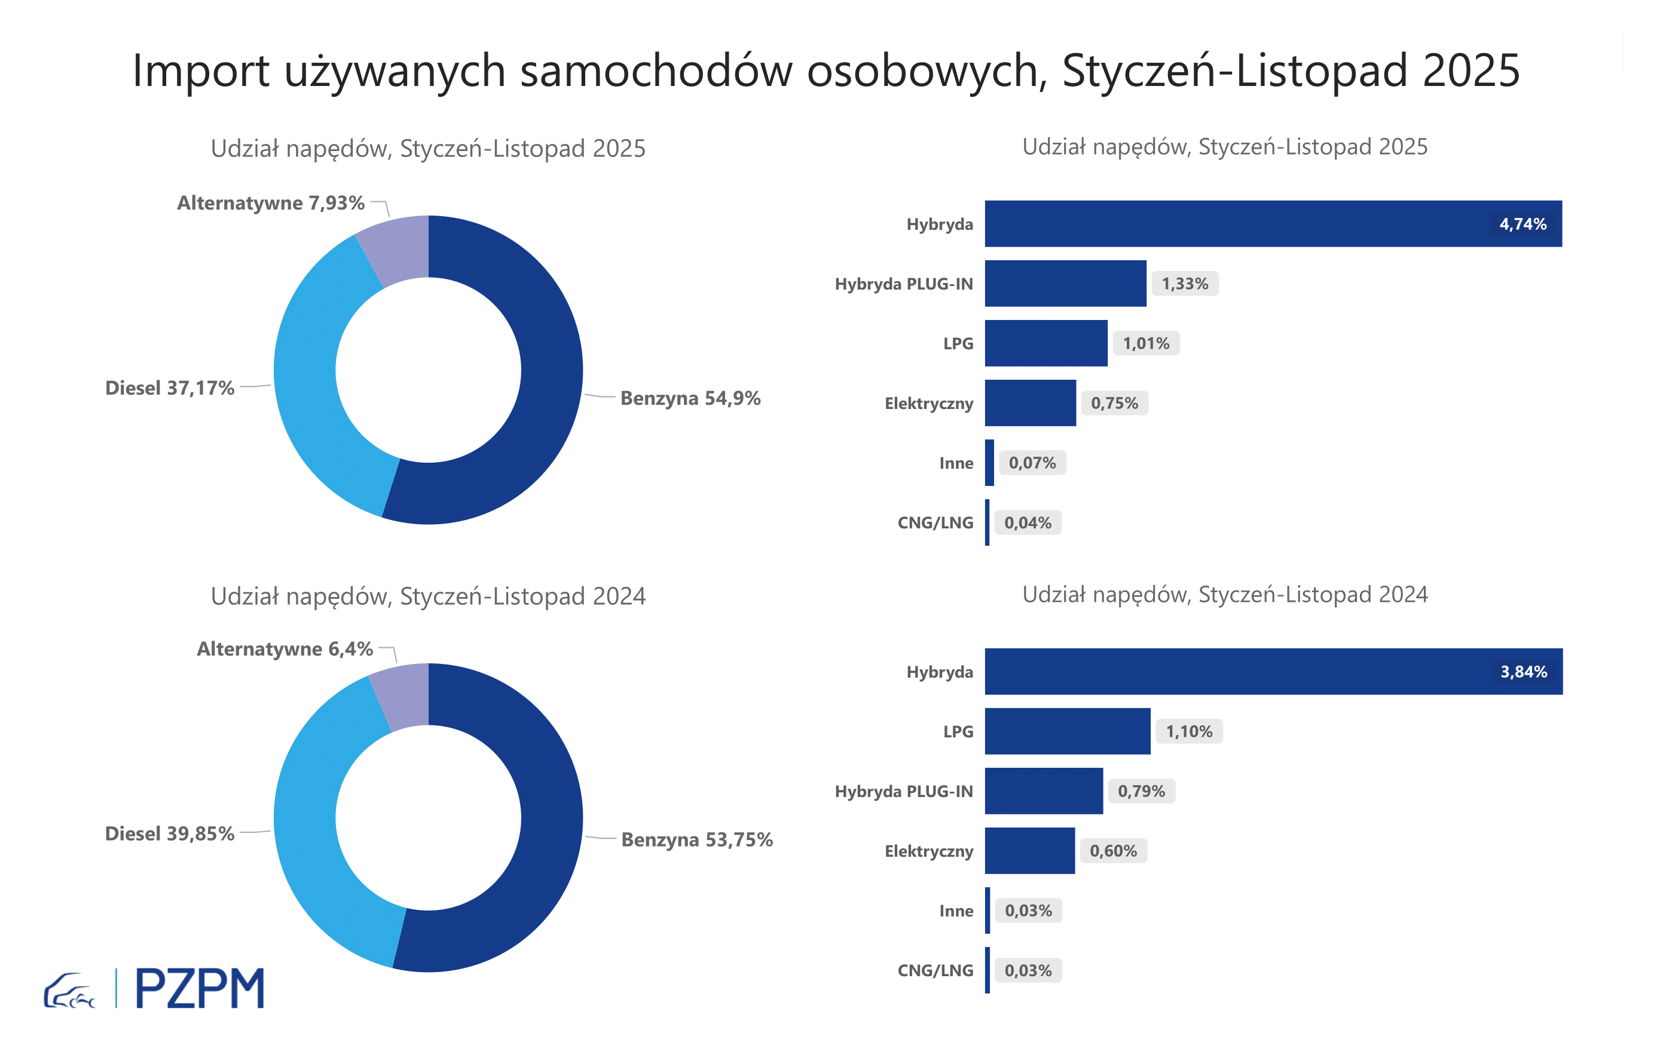

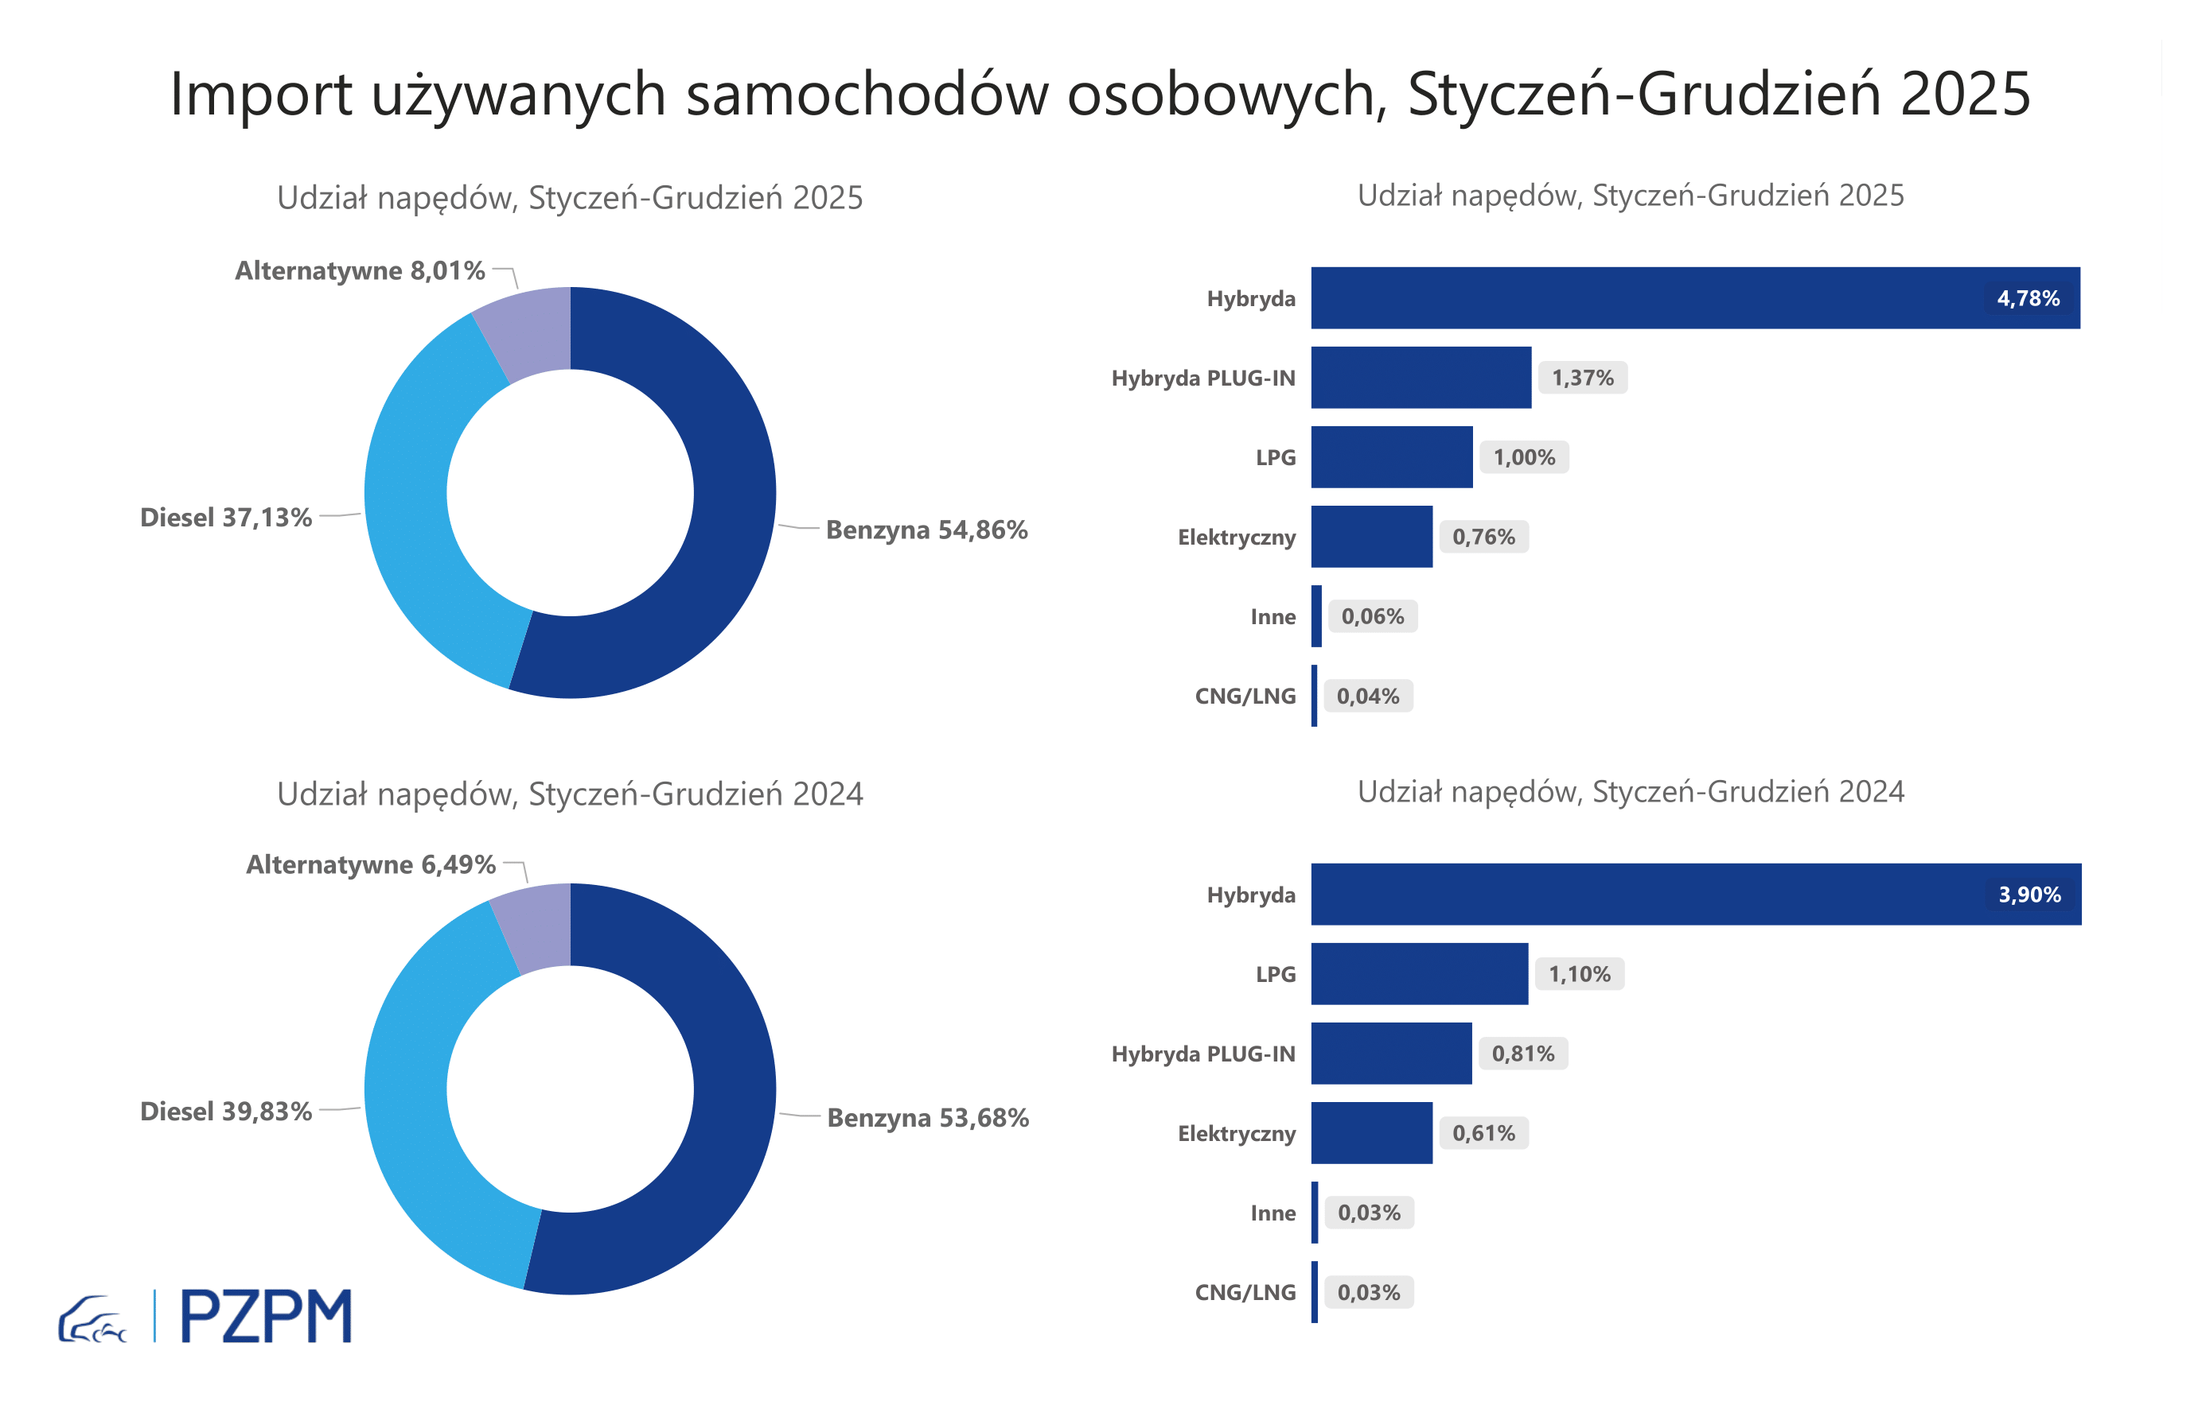
First Registrations of Used Passenger Cars by Fuel Type
Fuel Type | January-December 2024 |  | January-December 2025 |  | Volume Change y/y | Market Share Change y/y
 | thousand units | share % | thousand units | share %
Petrol | 473,7 | 53.7% | 470,5 | 54.9% | -0.7% | +1,2 pp
Diesel | 351,5 | 39.8% | 318,4 | 37.1% | -9.4% | -2,7 pp
AFV / Others | 57,3 | 6.5% | 68,7 | 8.0% | 19.9% | +1,5 pp
including:
Electric | 5.4 | 0.6% | 6.5 | 0.8% | 19.4% | +0,1 pp
Hybrid | 34.4 | 3.9% | 41.0 | 4.8% | 19.1% | +0,9 pp
Hybrid Plug-In | 7.2 | 0.8% | 11.7 | 1.4% | 63.5% | +0,6 pp
LPG | 9.7 | 1.1% | 8.6 | 1.0% | -11.2% | -0,1 pp
CNG/LNG | 0.3 | 0.0% | 0.3 | 0.0% | 7.6% | +0,0 pp
Others / N.A. | 0.3 | 0.0% | 0.6 | 0.1% | 83.4% | +0,0 pp

3 - TOP_brands
First registrations - used passenger cars imported to Poland - TOP 10 in 2025
First registrations of used passenger cars in Poland*
No.** | Make | January-December 2024 | January-December 2025 | Change % r/r
1 | VOLKSWAGEN | 86,948 | 80,968 | -6.9%
2 | FORD | 83,123 | 79,394 | -4.5%
3 | OPEL | 79,170 | 74,435 | -6.0%
4 | AUDI | 71,679 | 64,546 | -10.0%
5 | BMW | 56,707 | 54,311 | -4.2%
6 | MERCEDES-BENZ | 42,597 | 44,980 | 5.6%
7 | PEUGEOT | 40,574 | 41,835 | 3.1%
8 | HYUNDAI | 38,703 | 40,417 | 4.4%
9 | RENAULT | 40,514 | 36,987 | -8.7%
10 | VOLVO | 32,408 | 31,484 | -2.9%
* source: PZPM based on CEP
** based on registrations in 2025

